Disclaimer


The “Institutional Profiles Database” (IPD) provides an original measure of countries' institutional characteristics through composite indicators built from perception data. The database was designed in order to facilitate and stimulate research on the relationship between institutions, long-term economic growth and development. The 2016 edition of the database follows on from the 2001, 2006, 2009 and 2012 editions. It covers 144 countries and contains 127 indicators, derived from 320 variables describing a broad range of institutional characteristics, structured in nine functions: 1) political institutions; 2) security, law and order, control of violence; 3) functioning of public administrations; 4) free operation of markets; 5) coordination of stakeholders, strategic vision and innovation; 6) security of transactions and contracts; 7) market regulation, social dialogue; 8) openness and 9) social cohesion and social mobility. This new edition of the IPD is the result of a survey conducted by the Directorate General of the Treasury (DG Trésor). The perception data needed to build the indicators was gathered through a survey completed by country/regional Economic Services (Services Économiques) of the Ministry for the Economy and Finance (MEF). The Centre for Prospective Studies and International Information (CEPII) is our partner in this project.
Disclaimer
The data provided and any research based on it shall in no way be deemed to reflect the official positions or engage the responsibility of the Directorate General of the Treasury, the Economy Ministry or CEPII. Furthermore, these institutions hereby disclaim any liability for the consequences of any anomalies or errors remaining in the database. These indicators are made available for academic research purposes and more specifically to explore the relations between institutions and development. They are not intended for operational uses (e.g. to allocate resources). The data in the base should be analyzed as a whole, in the multidimensional and multi-country approach. Attempts to make use of the indicators individually would be statistically and conceptually problematic.
Contacts
If you have any questions, comments or suggestions, please contact :
ipd@dgtresor.gouv.fr

List of countries
 |  |  | IPD 2016 Country list

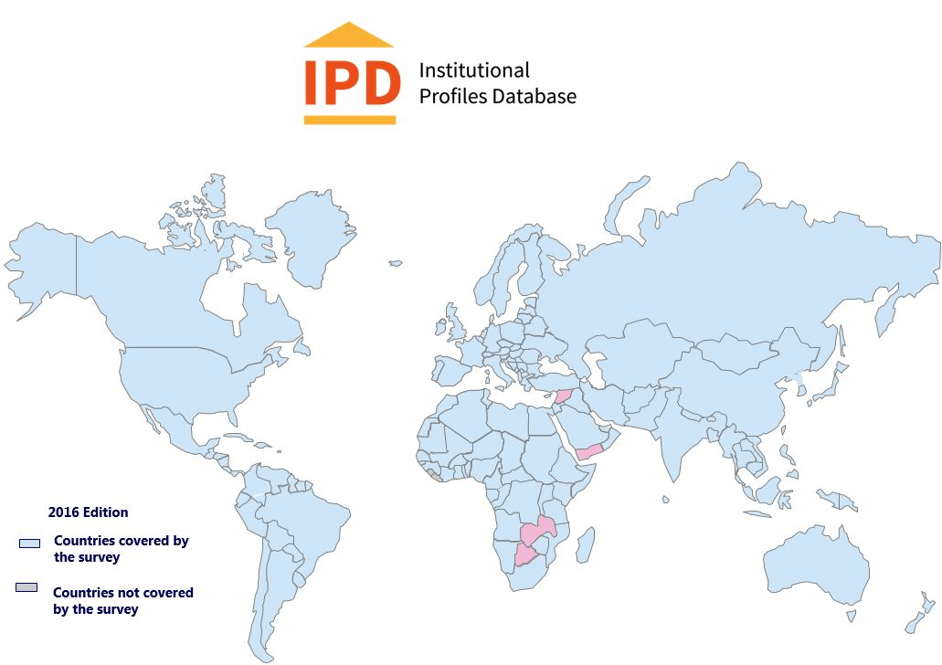
144 countries

Code ISO-3 | Pays | Code ISO-3 | Pays | Code ISO-3 | Pays | Code ISO-3 | Pays
AFG | Afghanistan | CZE | Czech Republic | LVA | Latvia | SAU | Saudi Arabia
ALB | Albania | DNK | Denmark | LBN | Lebanon | SEN | Senegal
DZA | Algeria | DOM | Dominican Republic | LBY | Libya | SRB | Serbia
AGO | Angola | ECU | Ecuador | LTU | Lithuania | SGP | Singapore
ARG | Argentina | EGY | Egypt, Arab Rep. | LUX | Luxembourg | SVK | Slovak Republic
ARM | Armenia | SLV | El Salvador | MKD | Macedonia | SVN | Slovenia
AUS | Australia | ERI | Eritrea | MDG | Madagascar | SOM | Somalia
AUT | Austria | EST | Estonia | MYS | Malaysia | ZAF | South Africa
AZE | Azerbaijan | ETH | Ethiopia | MLI | Mali | ESP | Spain
BHR | Bahrain | FIN | Finland | MLT | Malta | LKA | Sri Lanka
BGD | Bangladesh | FRA | France | MRT | Mauritania | SDN | Sudan
BLR | Belarus | GAB | Gabon | MUS | Mauritius | SSD | South Sudan
BEL | Belgium | GEO | Georgia | MEX | Mexico | SWE | Sweden
BEN | Benin | DEU | Germany | MDA | Moldova | CHE | Switzerland
BOL | Bolivia | GHA | Ghana | MNG | Mongolia | TWN | Taiwan
BIH | Bosnia and Herzegovina | GRC | Greece | MAR | Morocco | TJK | Tajikistan
 |  | GTM | Guatemala | MOZ | Mozambique | TZA | Tanzania
BRA | Brazil | GIN | Guinea | MMR | Myanmar | THA | Thailand
BRN | Brunei | HTI | Haiti | NAM | Namibia | TGO | Togo
BGR | Bulgaria | HND | Honduras | NPL | Nepal | TUN | Tunisia
BFA | Burkina Faso | HKG | Hong Kong | NLD | Netherlands | TUR | Turkey
BDI | Burundi | HUN | Hungary | NZL | New Zealand | TKM | Turkmenistan
KHM | Cambodia | ISL | Iceland | NIC | Nicaragua | UGA | Uganda
CMR | Cameroon | IND | India | NER | Niger | UKR | Ukraine
CAN | Canada | IDN | Indonesia | NGA | Nigeria | ARE | United Arab Emirates
CAF | Central African Republic | IRN | Iran, Islamic Rep. | NOR | Norway | GBR | United Kingdom
TCD | Chad | IRQ | Iraq | OMN | Oman | USA | United States
CHL | Chile | IRL | Ireland | PAK | Pakistan | URY | Uruguay
CHN | China | ISR | Israel | PAN | Panama | UZB | Uzbekistan
COL | Colombia | ITA | Italy | PRY | Paraguay | VEN | Venezuela, RB
COM | Comoros | JAM | Jamaica | PER | Peru | VNM | Vietnam
COD | Congo, Dem. Rep. | JPN | Japan | PHL | Philippines
COG | Congo, Rep. | JOR | Jordan | POL | Poland | ZWE | Zimbabwe
CRI | Costa Rica | KAZ | Kazakhstan | PRT | Portugal
CIV | Cote d'Ivoire | KEN | Kenya | QAT | Qatar
HRV | Croatia | KOR | Korea, Rep. | ROU | Romania
CUB | Cuba | KWT | Kuwait | RUS | Russian Federation
CYP | Cyprus | LAO | Lao PDR | RWA | Rwanda

